Data Characteristics
Nescafe-AGE
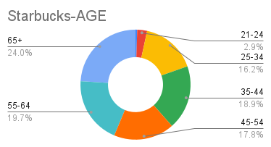
Demographic Set | Population Characteristics | Element | % of Nescafe Shoppers | % of All Shoppers | Index | % of Starbucks Shoppers | % of All Shoppers | Index
Traditional Demographics | Age (Brackets) | 18-20 | 1.0% | 0.5% | 204 | 0.5% | 0.5% | 102 | Nescafe | 869 | 55.2%
Traditional Demographics | Age (Brackets) | 21-24 | 4.8% | 3.3% | 145 | 2.9% | 3.3% | 87 | Starbucks | 705 | 44.8%
Traditional Demographics | Age (Brackets) | 25-34 | 19.9% | 15.6% | 127 | 16.2% | 15.6% | 104 | Total | 1574
Traditional Demographics | Age (Brackets) | 35-44 | 23.2% | 16.8% | 138 | 18.9% | 16.8% | 113
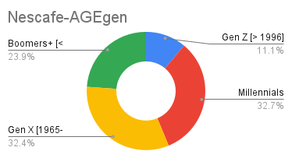
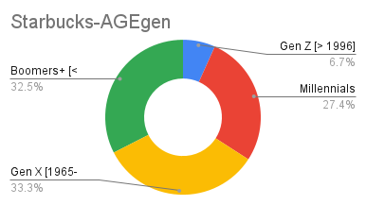
Traditional Demographics | Age (Brackets) | 45-54 | 17.9% | 15.8% | 113 | 17.8% | 15.8% | 113 | Index = (% of shoppers for a brand / % of all shoppers) *100
Traditional Demographics | Age (Brackets) | 55-64 | 15.1% | 19.2% | 79 | 19.7% | 19.2% | 103
Traditional Demographics | Age (Brackets) | 65+ | 18.0% | 28.7% | 63 | 24.0% | 28.7% | 83
Traditional Demographics | Age (Generation) | Gen Z [> 1996] | 11.1% | 7.2% | 156 | 6.7% | 7.2% | 94
Traditional Demographics | Age (Generation) | Millennials [1982-1995] | 32.7% | 25.3% | 129 | 27.4% | 25.3% | 108 |  |  | % of nescafe = (Nescafe Index / Total Index) *100
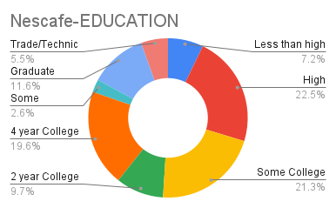
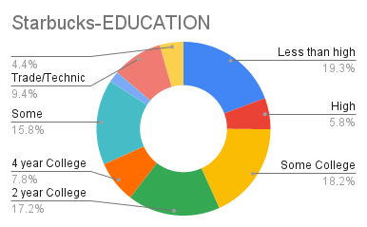
Traditional Demographics | Age (Generation) | Gen X [1965-1981] | 32.4% | 30.2% | 107 | 33.3% | 30.2% | 110 |  |  | % of starbucks = (starbucks Index / Total Index) *100
Traditional Demographics | Age (Generation) | Boomers+ [< 1965] | 23.9% | 37.3% | 64 | 32.5% | 37.3% | 87
Traditional Demographics | Education | Less than high school | 7.2% | 2.3% | 310 | 2.4% | 2.3% | 104
Traditional Demographics | Education | High School/GED | 0.225 | 17.8% | 127 | 16.3% | 17.8% | 92
Traditional Demographics | Education | Some College or university | 21.3% | 21.0% | 101 | 20.6% | 21.0% | 98
Traditional Demographics | Education | 2 year College Degree | 9.7% | 10.9% | 89 | 9.9% | 10.9% | 91
Traditional Demographics | Education | 4 year College Degree | 19.6% | 23.8% | 82 | 25.5% | 23.8% | 107
Traditional Demographics | Education | Some Graduate School | 2.6% | 3.4% | 76 | 3.3% | 3.4% | 100
Traditional Demographics | Education | Graduate Degree | 11.6% | 15.5% | 75 | 16.7% | 15.5% | 108
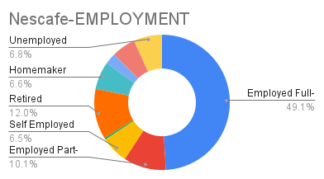
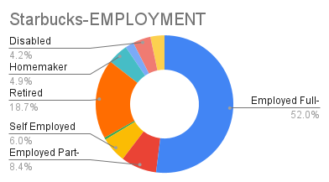
Traditional Demographics | Education | Trade/Technical Degree | 5.5% | 5.4% | 102 | 5.3% | 5.4% | 97
Traditional Demographics | Employment | Employed Full-Time | 49.1% | 49.4% | 99 | 51.9% | 49.4% | 105
Traditional Demographics | Employment | Employed Part-Time | 10.1% | 7.8% | 128 | 8.4% | 7.8% | 107
Traditional Demographics | Employment | Self Employed | 6.5% | 5.4% | 122 | 6.0% | 5.4% | 111
Traditional Demographics | Employment | Active Military | 0.5% | 0.4% | 120 | 0.5% | 0.4% | 108
Traditional Demographics | Employment | Retired | 12.0% | 22.4% | 54 | 18.7% | 22.4% | 84
Traditional Demographics | Employment | Homemaker | 6.6% | 4.5% | 149 | 4.9% | 4.5% | 110
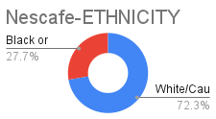
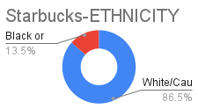
Traditional Demographics | Employment | Student | 2.7% | 2.0% | 132 | 2.0% | 2.0% | 100
Traditional Demographics | Employment | Disabled | 5.7% | 4.8% | 119 | 4.2% | 4.8% | 88
Traditional Demographics | Employment | Unemployed | 6.8% | 3.3% | 204 | 3.3% | 3.3% | 100
Traditional Demographics | Ethnicity | White/Caucasian | 27.1% | 65.1% | 42 | 65.4% | 65.1% | 100
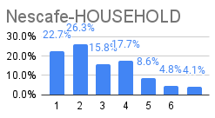
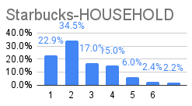
Traditional Demographics | Ethnicity | Black or African American | 10.4% | 13.3% | 78 | 10.2% | 13.3% | 76
Traditional Demographics | Household Size | 1 | 22.7% | 27.4% | 8300.0% | 22.9% | 27.4% | 84
Traditional Demographics | Household Size | 2 | 26.3% | 36.0% | 73 | 34.5% | 36.0% | 96
Traditional Demographics | Household Size | 3 | 15.8% | 15.0% | 105 | 17.0% | 15.0% | 113
Traditional Demographics | Household Size | 4 | 17.7% | 12.5% | 142 | 15.0% | 12.5% | 120
Traditional Demographics | Household Size | 5 | 8.6% | 5.1% | 169 | 6.0% | 5.1% | 118
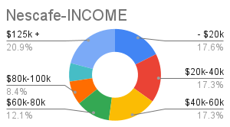
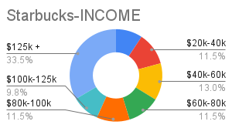
Traditional Demographics | Household Size | 6 | 4.8% | 2.2% | 223 | 2.4% | 2.2% | 112
Traditional Demographics | Household Size | 7+ | 4.1% | 1.9% | 212 | 2.2% | 1.9% | 112
Traditional Demographics | Income $ | - $20k | 17.6% | 10.4% | 169 | 9.3% | 10.4% | 89
Traditional Demographics | Income $ | $20k-40k | 17.3% | 13.9% | 124 | 11.5% | 13.9% | 82
Traditional Demographics | Income $ | $40k-60k | 17.3% | 14.5% | 119 | 13.0% | 14.5% | 90
Traditional Demographics | Income $ | $60k-80k | 12.1% | 12.0% | 100 | 11.5% | 12.0% | 95
Traditional Demographics | Income $ | $80k-100k | 8.4% | 11.0% | 76 | 11.5% | 11.0% | 104
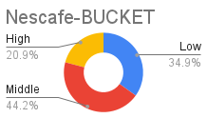
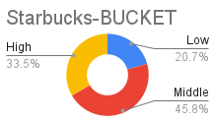
Traditional Demographics | Income $ | $100k-125k | 6.5% | 9.1% | 71 | 9.8% | 9.1% | 107
Traditional Demographics | Income $ | $125k + | 20.9% | 29.0% | 72 | 33.5% | 29.0% | 115
Traditional Demographics | Income Bucket | Low Income (Under $40k) | 34.9% | 24.3% | 143 | 20.7% | 24.3% | 85
Traditional Demographics | Income Bucket | Middle Income ($40k-$125k) | 44.2% | 46.7% | 95 | 45.8% | 46.7% | 98
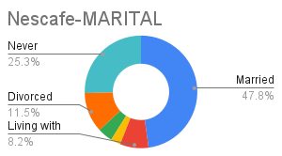
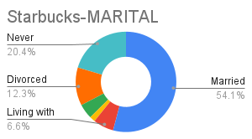
Traditional Demographics | Income Bucket | High Income (Over $125k) | 20.9% | 29.0% | 72 | 33.5% | 29.0% | 115
Traditional Demographics | Marital Status | Married | 47.8% | 51.2% | 93 | 54.2% | 51.2% | 106
Traditional Demographics | Marital Status | Living with partner | 8.2% | 6.0% | 136 | 6.6% | 6.0% | 110
Traditional Demographics | Marital Status | Separated | 2.8% | 1.8% | 162 | 1.8% | 1.8% | 101
Traditional Demographics | Marital Status | Widower | 4.3% | 5.9% | 73 | 4.8% | 5.9% | 81
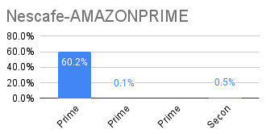
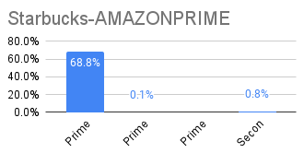
Traditional Demographics | Marital Status | Divorced | 11.5% | 13.3% | 86 | 12.3% | 13.3% | 93
Traditional Demographics | Marital Status | Never married | 25.3% | 21.9% | 116 | 20.4% | 21.9% | 93
Subscription Membership Focused | Amazon Prime | Prime | 60.2% | 69.6% | 86 | 68.8% | 69.6% | 99
Subscription Membership Focused | Amazon Prime | Prime Student | 0.1% | 0.1% | 143 | 0.1% | 0.1% | 127
Subscription Membership Focused | Amazon Prime | Prime Video | - | - | - | - | - | -
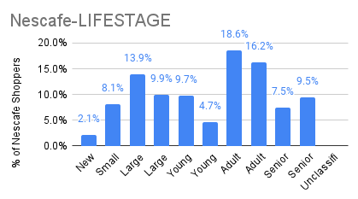
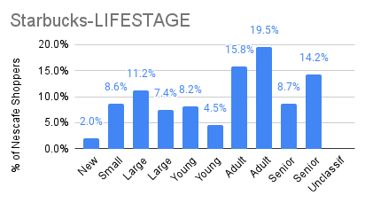
Subscription Membership Focused | Amazon Prime | Secondary | 0.5% | 0.8% | 62 | 0.8% | 0.8% | 105
Lifestages/Lifestyles | Lifestage | New Family | 2.1% | 1.8% | 115 | 2.0% | 1.8% | 113
Lifestages/Lifestyles | Lifestage | Small Family | 8.1% | 7.1% | 114 | 8.6% | 7.1% | 121
Lifestages/Lifestyles | Lifestage | Large Younger Family | 13.9% | 9.4% | 148 | 11.2% | 9.4% | 120
Lifestages/Lifestyles | Lifestage | Large Older Family | 9.9% | 5.7% | 173 | 7.4% | 5.7% | 129
Lifestages/Lifestyles | Lifestage | Young Singles | 9.7% | 8.7% | 111 | 8.2% | 8.7% | 94
Lifestages/Lifestyles | Lifestage | Young Couples | 4.7% | 4.3% | 108 | 4.5% | 4.3% | 104
Lifestages/Lifestyles | Lifestage | Adult Singles | 18.6% | 17.1% | 108 | 15.8% | 17.1% | 92
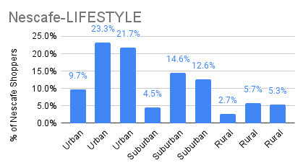
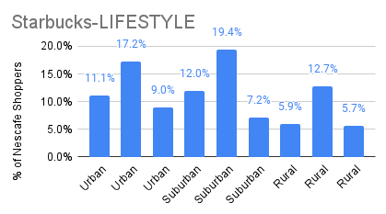
Lifestages/Lifestyles | Lifestage | Adult Couples | 16.2% | 17.9% | 90 | 19.5% | 17.9% | 109
Lifestages/Lifestyles | Lifestage | Senior Singles | 7.5% | 11.5% | 65 | 8.7% | 11.5% | 76
Lifestages/Lifestyles | Lifestage | Senior Couples | 9.5% | 16.5% | 58 | 14.2% | 16.5% | 86
Lifestages/Lifestyles | Lifestage | Unclassified | - | - | - | - | - | -
Lifestages/Lifestyles | Lifestyle | Urban Affluent | 9.7% | 9.5% | 102 | 11.1% | 9.5% | 117
Lifestages/Lifestyles | Lifestyle | Urban Middle Class | 23.3% | 16.0% | 146 | 17.2% | 16.0% | 107
Lifestages/Lifestyles | Lifestyle | Urban Struggling | 21.7% | 8.9% | 243 | 9.0% | 8.9% | 101
Lifestages/Lifestyles | Lifestyle | Suburban Affluent | 4.5% | 10.7% | 42 | 12.0% | 10.7% | 112
Lifestages/Lifestyles | Lifestyle | Suburban Middle Class | 14.6% | 18.8% | 78 | 19.4% | 18.8% | 103
Lifestages/Lifestyles | Lifestyle | Suburban Struggling | 12.6% | 8.1% | 156 | 7.2% | 8.1% | 88
Lifestages/Lifestyles | Lifestyle | Rural Affluent | 2.7% | 6.0% | 45 | 5.9% | 6.0% | 99
Lifestages/Lifestyles | Lifestyle | Rural Middle Class | 5.7% | 14.6% | 39 | 12.7% | 14.6% | 86
Lifestages/Lifestyles | Lifestyle | Rural Struggling | 5.3% | 7.4% | 72 | 5.7% | 7.4% | 76
 |  |  | 1098.6% | 1149.0% | 8552 | 1145.6% | 1149.0% | 7573

Data Preferences
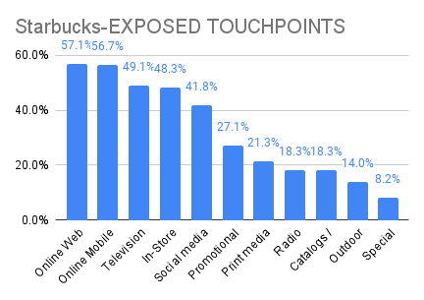
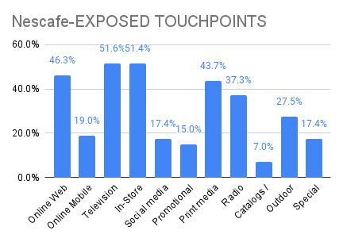
Consumer's Preference | Header | Survey Question | Response | % of Starbucks Shoppers | % of All Shoppers | Index | % of Nescafe Shoppers | % of All Shoppers | Index
Advertising | Exposed Touchpoints | How do you learn about products, services and brands that you might purchase? Select all that apply. | Online Web | 57.1% | 58.2% | 98 | 46.3% | 58.2% | 80
Advertising | Exposed Touchpoints | How do you learn about products, services and brands that you might purchase? Select all that apply. | Online Mobile Device | 56.7% | 57.0% | 99 | 19.0% | 57.0% | 33
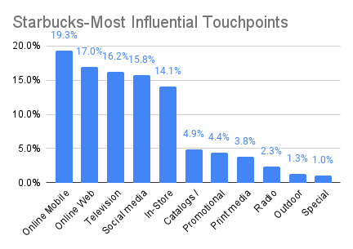
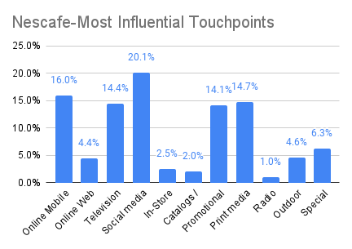
Advertising | Exposed Touchpoints | How do you learn about products, services and brands that you might purchase? Select all that apply. | Television | 49.1% | 50.8% | 97 | 51.6% | 50.8% | 102
Advertising | Exposed Touchpoints | How do you learn about products, services and brands that you might purchase? Select all that apply. | In-Store | 48.3% | 48.5% | 99 | 51.4% | 48.5% | 106
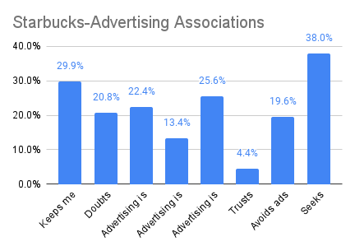
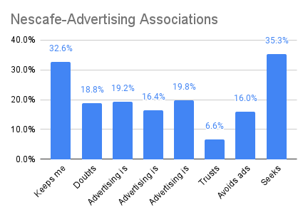
Advertising | Exposed Touchpoints | How do you learn about products, services and brands that you might purchase? Select all that apply. | Social media | 41.8% | 42.0% | 100 | 17.4% | 42.0% | 41
Advertising | Exposed Touchpoints | How do you learn about products, services and brands that you might purchase? Select all that apply. | Promotional emails / texts | 27.1% | 26.9% | 101 | 15.0% | 26.9% | 56
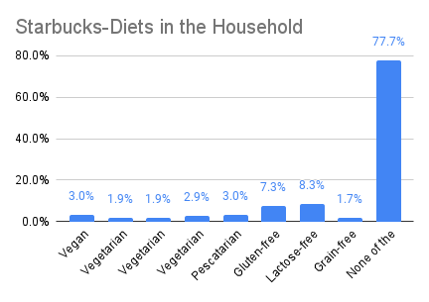
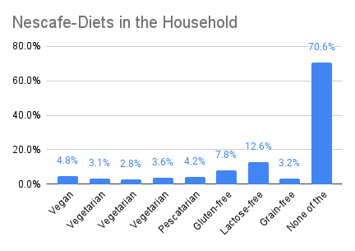
Advertising | Exposed Touchpoints | How do you learn about products, services and brands that you might purchase? Select all that apply. | Print media | 21.3% | 21.7% | 99 | 43.7% | 21.7% | 201
Advertising | Exposed Touchpoints | How do you learn about products, services and brands that you might purchase? Select all that apply. | Radio | 18.3% | 18.0% | 102 | 37.3% | 18.0% | 207
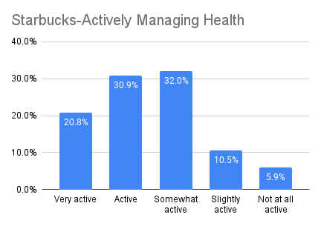
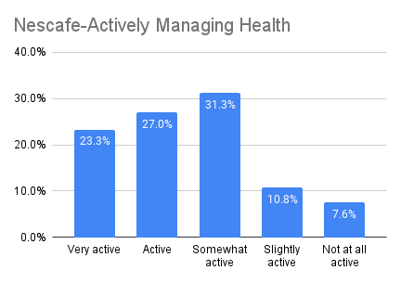
Advertising | Exposed Touchpoints | How do you learn about products, services and brands that you might purchase? Select all that apply. | Catalogs / Brochures | 18.3% | 19.4% | 94 | 7.0% | 19.4% | 36
Advertising | Exposed Touchpoints | How do you learn about products, services and brands that you might purchase? Select all that apply. | Outdoor advertising | 14.0% | 13.7% | 102 | 27.5% | 13.7% | 201
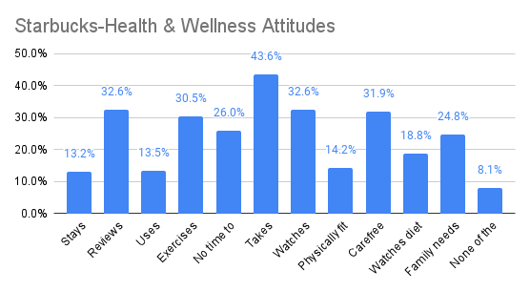
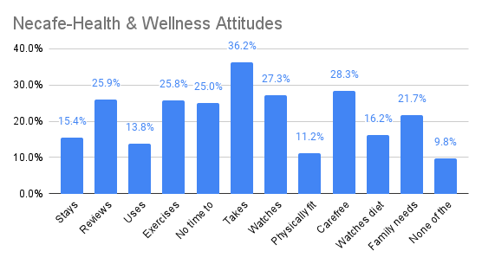
Advertising | Exposed Touchpoints | How do you learn about products, services and brands that you might purchase? Select all that apply. | Special events | 8.2% | 7.6% | 108 | 17.4% | 7.6% | 229
Advertising | Most Influential Touchpoints | Which of the following is the most influential? | Online Mobile Device | 19.3% | 19.7% | 98 | 16.0% | 19.7% | 81
Advertising | Most Influential Touchpoints | Which of the following is the most influential? | Online Web | 17.0% | 17.0% | 100 | 4.4% | 17.0% | 26
Advertising | Most Influential Touchpoints | Which of the following is the most influential? | Television | 16.2% | 17.1% | 95 | 14.4% | 17.1% | 84
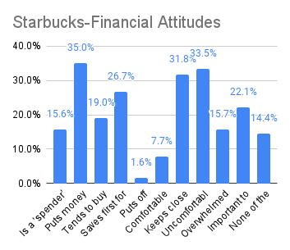
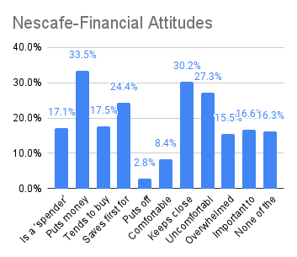
Advertising | Most Influential Touchpoints | Which of the following is the most influential? | Social media | 15.8% | 15.2% | 104 | 20.1% | 15.2% | 132
Advertising | Most Influential Touchpoints | Which of the following is the most influential? | In-Store | 14.1% | 13.9% | 102 | 2.5% | 13.9% | 18
Advertising | Most Influential Touchpoints | Which of the following is the most influential? | Catalogs / Brochures | 4.9% | 5.1% | 96 | 2.0% | 5.1% | 39
Advertising | Most Influential Touchpoints | Which of the following is the most influential? | Promotional emails / texts | 4.4% | 4.3% | 102 | 14.1% | 4.3% | 328
Advertising | Most Influential Touchpoints | Which of the following is the most influential? | Print media | 3.8% | 3.6% | 105 | 14.7% | 3.6% | 408
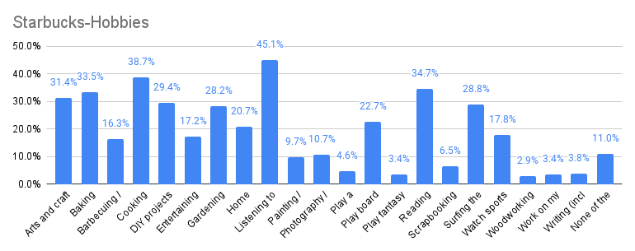
Advertising | Most Influential Touchpoints | Which of the following is the most influential? | Radio | 2.3% | 2.1% | 107 | 1.0% | 2.1% | 48
Advertising | Most Influential Touchpoints | Which of the following is the most influential? | Outdoor advertising | 1.3% | 1.1% | 111 | 4.6% | 1.1% | 418
Advertising | Most Influential Touchpoints | Which of the following is the most influential? | Special events | 1.0% | 0.9% | 111 | 6.3% | 0.9% | 700
Advertising | Advertising Associations | Which of the following describes you? Select all that apply. | Keeps me up-to-date | 29.9% | 29.9% | 100 | 32.6% | 29.9% | 109
Advertising | Advertising Associations | Which of the following describes you? Select all that apply. | Doubts advertising claims | 20.8% | 21.7% | 96 | 18.8% | 21.7% | 87
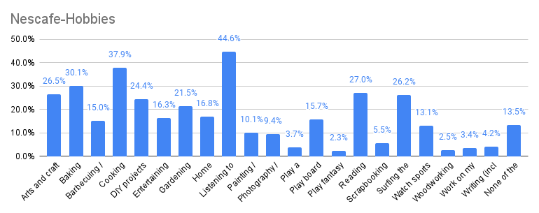
Advertising | Advertising Associations | Which of the following describes you? Select all that apply. | Advertising is manipulative | 22.4% | 23.1% | 97 | 19.2% | 23.1% | 83
Advertising | Advertising Associations | Which of the following describes you? Select all that apply. | Advertising is entertaining | 13.4% | 12.7% | 106 | 16.4% | 12.7% | 129
Advertising | Advertising Associations | Which of the following describes you? Select all that apply. | Advertising is annoying | 25.6% | 26.5% | 97 | 19.8% | 26.5% | 75
Advertising | Advertising Associations | Which of the following describes you? Select all that apply. | Trusts advertised brands | 4.4% | 4.1% | 106 | 6.6% | 4.1% | 161
Advertising | Advertising Associations | Which of the following describes you? Select all that apply. | Avoids ads | 19.6% | 20.6% | 95 | 16.0% | 20.6% | 78
Advertising | Advertising Associations | Which of the following describes you? Select all that apply. | Seeks relevance | 38.0% | 38.7% | 98 | 35.3% | 38.7% | 91
Eating | Diets in the Household | Do you or anyone in the household have any special dietary requirements? | Vegan | 3.0% | 2.6% | 116 | 4.8% | 2.6% | 185
Eating | Diets in the Household | Do you or anyone in the household have any special dietary requirements? | Vegetarian (w/Eggs) | 1.9% | 1.7% | 109 | 3.1% | 1.7% | 182
Eating | Diets in the Household | Do you or anyone in the household have any special dietary requirements? | Vegetarian (w/Dairy) | 1.9% | 1.6% | 118 | 2.8% | 1.6% | 175
Eating | Diets in the Household | Do you or anyone in the household have any special dietary requirements? | Vegetarian (w/Eggs, Dairy) | 2.9% | 2.5% | 115 | 3.6% | 2.5% | 144
Eating | Diets in the Household | Do you or anyone in the household have any special dietary requirements? | Pescatarian | 3.0% | 2.8% | 107 | 4.2% | 2.8% | 150
Eating | Diets in the Household | Do you or anyone in the household have any special dietary requirements? | Gluten-free | 7.3% | 6.5% | 112 | 7.8% | 6.5% | 120
Eating | Diets in the Household | Do you or anyone in the household have any special dietary requirements? | Lactose-free | 8.3% | 8.1% | 103 | 12.6% | 8.1% | 156
Eating | Diets in the Household | Do you or anyone in the household have any special dietary requirements? | Grain-free | 1.7% | 1.5% | 113 | 3.2% | 1.5% | 213
Eating | Diets in the Household | Do you or anyone in the household have any special dietary requirements? | None of the above | 77.7% | 79.7% | 97 | 70.6% | 79.7% | 89
Health & Sustainability | Actively Managing Health | How active are you managing your health? | Very active | 20.8% | 20.2% | 103 | 23.3% | 20.2% | 115
Health & Sustainability | Actively Managing Health | How active are you managing your health? | Active | 30.9% | 30.2% | 102 | 27.0% | 30.2% | 89
Health & Sustainability | Actively Managing Health | How active are you managing your health? | Somewhat active | 32.0% | 32.0% | 100 | 31.3% | 32.0% | 98
Health & Sustainability | Actively Managing Health | How active are you managing your health? | Slightly active | 10.5% | 11.5% | 91 | 10.8% | 11.5% | 94
Health & Sustainability | Actively Managing Health | How active are you managing your health? | Not at all active | 5.9% | 6.2% | 96 | 7.6% | 6.2% | 123
Health & Sustainability | Health & Wellness Attitudes | Which of the following describes you? | Stays updated on health trends | 13.2% | 12.1% | 109 | 15.4% | 12.1% | 127
Health & Sustainability | Health & Wellness Attitudes | Which of the following describes you? | Reviews nutrition labels | 32.6% | 31.7% | 103 | 25.9% | 31.7% | 82
Health & Sustainability | Health & Wellness Attitudes | Which of the following describes you? | Uses homeopathic remedies | 13.5% | 13.3% | 102 | 13.8% | 13.3% | 104
Health & Sustainability | Health & Wellness Attitudes | Which of the following describes you? | Exercises regularly | 30.5% | 29.1% | 105 | 25.8% | 29.1% | 89
Health & Sustainability | Health & Wellness Attitudes | Which of the following describes you? | No time to take care of self | 26.0% | 25.1% | 104 | 25.0% | 25.1% | 100
Health & Sustainability | Health & Wellness Attitudes | Which of the following describes you? | Takes vitamins / supplements | 43.6% | 45.4% | 96 | 36.2% | 45.4% | 80
Health & Sustainability | Health & Wellness Attitudes | Which of the following describes you? | Watches weight | 32.6% | 33.0% | 99 | 27.3% | 33.0% | 83
Health & Sustainability | Health & Wellness Attitudes | Which of the following describes you? | Physically fit | 14.2% | 13.5% | 106 | 11.2% | 13.5% | 83
Health & Sustainability | Health & Wellness Attitudes | Which of the following describes you? | Carefree eater / drinker | 31.9% | 33.3% | 96 | 28.3% | 33.3% | 85
Health & Sustainability | Health & Wellness Attitudes | Which of the following describes you? | Watches diet | 18.8% | 18.7% | 101 | 16.2% | 18.7% | 87
Health & Sustainability | Health & Wellness Attitudes | Which of the following describes you? | Family needs trump self | 24.8% | 23.9% | 104 | 21.7% | 23.9% | 91
Health & Sustainability | Health & Wellness Attitudes | Which of the following describes you? | None of the above | 8.1% | 8.5% | 95 | 9.8% | 8.5% | 115
Household | Financial Attitudes | Which of the following describes your attitudes regarding your finances? | Is a 'spender' not a 'saver' | 15.6% | 14.5% | 107 | 17.1% | 14.5% | 118
Household | Financial Attitudes | Which of the following describes your attitudes regarding your finances? | Puts money aside into savings | 35.0% | 35.0% | 100 | 33.5% | 35.0% | 96
Household | Financial Attitudes | Which of the following describes your attitudes regarding your finances? | Tends to buy care-free | 19.0% | 18.9% | 100 | 17.5% | 18.9% | 93
Household | Financial Attitudes | Which of the following describes your attitudes regarding your finances? | Saves first for large expenses | 26.7% | 27.4% | 97 | 24.4% | 27.4% | 89
Household | Financial Attitudes | Which of the following describes your attitudes regarding your finances? | Puts off savings for now | 1.6% | 1.3% | 117 | 2.8% | 1.3% | 215
Household | Financial Attitudes | Which of the following describes your attitudes regarding your finances? | Comfortable buying on credit | 7.7% | 7.5% | 102 | 8.4% | 7.5% | 112
Household | Financial Attitudes | Which of the following describes your attitudes regarding your finances? | Keeps close eye on budget | 31.8% | 33.6% | 95 | 30.2% | 33.6% | 90
Household | Financial Attitudes | Which of the following describes your attitudes regarding your finances? | Uncomfortable with debt | 33.5% | 34.5% | 97 | 27.3% | 34.5% | 79
Household | Financial Attitudes | Which of the following describes your attitudes regarding your finances? | Overwhelmed with burdens | 15.7% | 15.9% | 99 | 15.5% | 15.9% | 97
Household | Financial Attitudes | Which of the following describes your attitudes regarding your finances? | Important to plan for future | 22.1% | 22.1% | 100 | 16.6% | 22.1% | 75
Household | Financial Attitudes | Which of the following describes your attitudes regarding your finances? | None of the above | 14.4% | 14.9% | 96 | 16.3% | 14.9% | 109
Interests | Hobbies | What are your personal passions that you do in your free time at home? Select all that apply. | Arts and craft projects | 31.4% | 32.3% | 97 | 26.5% | 32.3% | 82
Interests | Hobbies | What are your personal passions that you do in your free time at home? Select all that apply. | Baking | 33.5% | 33.3% | 101 | 30.1% | 33.3% | 90
Interests | Hobbies | What are your personal passions that you do in your free time at home? Select all that apply. | Barbecuing / Grilling | 16.3% | 15.9% | 103 | 15.0% | 15.9% | 94
Interests | Hobbies | What are your personal passions that you do in your free time at home? Select all that apply. | Cooking | 38.7% | 37.9% | 102 | 37.9% | 37.9% | 100
Interests | Hobbies | What are your personal passions that you do in your free time at home? Select all that apply. | DIY projects around my home | 29.4% | 30.0% | 98 | 24.4% | 30.0% | 81
Interests | Hobbies | What are your personal passions that you do in your free time at home? Select all that apply. | Entertaining in my home | 17.2% | 16.2% | 106 | 16.3% | 16.2% | 101
Interests | Hobbies | What are your personal passions that you do in your free time at home? Select all that apply. | Gardening and landscaping | 28.2% | 28.3% | 100 | 21.5% | 28.3% | 76
Interests | Hobbies | What are your personal passions that you do in your free time at home? Select all that apply. | Home decorating / furnishing | 20.7% | 19.9% | 104 | 16.8% | 19.9% | 84
Interests | Hobbies | What are your personal passions that you do in your free time at home? Select all that apply. | Listening to music | 45.1% | 44.8% | 101 | 44.6% | 44.8% | 100
Interests | Hobbies | What are your personal passions that you do in your free time at home? Select all that apply. | Painting / Drawing | 9.7% | 9.6% | 100 | 10.1% | 9.6% | 105
Interests | Hobbies | What are your personal passions that you do in your free time at home? Select all that apply. | Photography / Video | 10.7% | 10.7% | 100 | 9.4% | 10.7% | 88
Interests | Hobbies | What are your personal passions that you do in your free time at home? Select all that apply. | Play a musical instrument | 4.6% | 4.7% | 99 | 3.7% | 4.7% | 79
Interests | Hobbies | What are your personal passions that you do in your free time at home? Select all that apply. | Play board games, do puzzles | 22.7% | 22.9% | 99 | 15.7% | 22.9% | 69
Interests | Hobbies | What are your personal passions that you do in your free time at home? Select all that apply. | Play fantasy sports | 3.4% | 3.0% | 114 | 2.3% | 3.0% | 77
Interests | Hobbies | What are your personal passions that you do in your free time at home? Select all that apply. | Reading | 34.7% | 36.1% | 96 | 27.0% | 36.1% | 75
Interests | Hobbies | What are your personal passions that you do in your free time at home? Select all that apply. | Scrapbooking / Photo albums | 6.5% | 6.3% | 103 | 5.5% | 6.3% | 87
Interests | Hobbies | What are your personal passions that you do in your free time at home? Select all that apply. | Surfing the internet | 28.8% | 29.6% | 97 | 26.2% | 29.6% | 89
Interests | Hobbies | What are your personal passions that you do in your free time at home? Select all that apply. | Watch sports on TV | 17.8% | 17.0% | 104 | 13.1% | 17.0% | 77
Interests | Hobbies | What are your personal passions that you do in your free time at home? Select all that apply. | Woodworking | 2.9% | 3.3% | 88 | 2.5% | 3.3% | 76
Interests | Hobbies | What are your personal passions that you do in your free time at home? Select all that apply. | Work on my car / truck / motorcycle | 3.4% | 3.7% | 93 | 3.4% | 3.7% | 92
Interests | Hobbies | What are your personal passions that you do in your free time at home? Select all that apply. | Writing (incl Blogging) | 3.8% | 3.7% | 103 | 4.2% | 3.7% | 114
Interests | Hobbies | What are your personal passions that you do in your free time at home? Select all that apply. | None of the above | 11.0% | 11.7% | 94 | 13.5% | 11.7% | 115
Interests | Activities | Which of the following outdoor activities or exercises have you participated in during the past year? Select all that apply. | Equestrian sports | 2.0% | 1.7% | 121 | 6.6% | 1.7% | 388
Interests | Activities | Which of the following outdoor activities or exercises have you participated in during the past year? Select all that apply. | Skiing / Snowboarding | 2.9% | 2.4% | 120 | 11.0% | 2.4% | 458
Interests | Activities | Which of the following outdoor activities or exercises have you participated in during the past year? Select all that apply. | Marathons (Half or Full) | 1.4% | 1.2% | 119 | 8.3% | 1.2% | 692
Interests | Activities | Which of the following outdoor activities or exercises have you participated in during the past year? Select all that apply. | Tennis | 3.1% | 2.6% | 117 | 18.2% | 2.6% | 700
Interests | Activities | Which of the following outdoor activities or exercises have you participated in during the past year? Select all that apply. | Crossfit / Bootcamp etc. | 4.1% | 3.5% | 117 | 16.8% | 3.5% | 480
Interests | Activities | Which of the following outdoor activities or exercises have you participated in during the past year? Select all that apply. | Backpacking | 7.5% | 6.5% | 116 | 6.7% | 6.5% | 103
Interests | Activities | Which of the following outdoor activities or exercises have you participated in during the past year? Select all that apply. | Water sports (surfing, paddle board...) | 3.2% | 2.8% | 115 | 5.0% | 2.8% | 179
Interests | Activities | Which of the following outdoor activities or exercises have you participated in during the past year? Select all that apply. | Hiking | 22.2% | 19.4% | 114 | 5.0% | 19.4% | 26
Interests | Activities | Which of the following outdoor activities or exercises have you participated in during the past year? Select all that apply. | Running | 9.4% | 8.2% | 114 | 20.2% | 8.2% | 246
Interests | Activities | Which of the following outdoor activities or exercises have you participated in during the past year? Select all that apply. | Climbing (indoor or outdoor) | 4.5% | 4.0% | 113 | 2.2% | 4.0% | 55
Interests | Activities | Which of the following outdoor activities or exercises have you participated in during the past year? Select all that apply. | Snowmobiling | 1.2% | 1.1% | 112 | 9.5% | 1.1% | 864
Interests | Activities | Which of the following outdoor activities or exercises have you participated in during the past year? Select all that apply. | Scuba / Snorkeling | 3.1% | 2.8% | 112 | 5.8% | 2.8% | 207
Interests | Activities | Which of the following outdoor activities or exercises have you participated in during the past year? Select all that apply. | Golf | 8.0% | 7.2% | 111 | 21.0% | 7.2% | 292
Interests | Activities | Which of the following outdoor activities or exercises have you participated in during the past year? Select all that apply. | Yoga / Pilates | 11.3% | 10.2% | 111 | 16.1% | 10.2% | 158
Interests | Activities | Which of the following outdoor activities or exercises have you participated in during the past year? Select all that apply. | Sailing | 1.3% | 1.1% | 111 | 2.2% | 1.1% | 200
Interests | Activities | Which of the following outdoor activities or exercises have you participated in during the past year? Select all that apply. | Racquetball, Pickleball, etc. | 3.2% | 2.9% | 111 | 1.9% | 2.9% | 66
Interests | Activities | Which of the following outdoor activities or exercises have you participated in during the past year? Select all that apply. | Spinning (indoor cycling) | 2.8% | 2.5% | 110 | 1.9% | 2.5% | 76
Interests | Activities | Which of the following outdoor activities or exercises have you participated in during the past year? Select all that apply. | Rowing / Crew | 0.7% | 0.6% | 110 | 1.1% | 0.6% | 183
Interests | Activities | Which of the following outdoor activities or exercises have you participated in during the past year? Select all that apply. | Canoeing / Kayaking / Rafting | 11.3% | 10.4% | 109 | 2.1% | 10.4% | 20
Interests | Activities | Which of the following outdoor activities or exercises have you participated in during the past year? Select all that apply. | Biking (road, mountain) | 12.6% | 11.6% | 109 | 15.0% | 11.6% | 129
Interests | Activities | Which of the following outdoor activities or exercises have you participated in during the past year? Select all that apply. | Team sports (baseball, basketball, soccer, volleyball…) | 4.6% | 4.3% | 107 | 1.9% | 4.3% | 44
Interests | Activities | Which of the following outdoor activities or exercises have you participated in during the past year? Select all that apply. | Horseback riding | 3.5% | 3.3% | 106 | 0.5% | 3.3% | 15
Interests | Activities | Which of the following outdoor activities or exercises have you participated in during the past year? Select all that apply. | Gym / Fitness classes | 23.2% | 22.0% | 106 | 9.8% | 22.0% | 45
Interests | Activities | Which of the following outdoor activities or exercises have you participated in during the past year? Select all that apply. | Bowling | 19.7% | 18.7% | 105 | 0.7% | 18.7% | 4
Interests | Activities | Which of the following outdoor activities or exercises have you participated in during the past year? Select all that apply. | Karate / Kickboxing / Martial arts | 1.6% | 1.5% | 104 | 2.4% | 1.5% | 160
Interests | Activities | Which of the following outdoor activities or exercises have you participated in during the past year? Select all that apply. | Camping | 17.6% | 17.1% | 103 | 1.7% | 17.1% | 10
Interests | Activities | Which of the following outdoor activities or exercises have you participated in during the past year? Select all that apply. | Swimming | 21.2% | 20.9% | 102 | 0.8% | 20.9% | 4
Interests | Activities | Which of the following outdoor activities or exercises have you participated in during the past year? Select all that apply. | Triathlons / Ironman | 0.4% | 0.4% | 101 | 2.0% | 0.4% | 500
Interests | Activities | Which of the following outdoor activities or exercises have you participated in during the past year? Select all that apply. | Dancing | 16.0% | 15.9% | 101 | 14.3% | 15.9% | 90
Interests | Activities | Which of the following outdoor activities or exercises have you participated in during the past year? Select all that apply. | Boating | 13.8% | 13.7% | 101 | 4.5% | 13.7% | 33
Interests | Activities | Which of the following outdoor activities or exercises have you participated in during the past year? Select all that apply. | Walking | 48.9% | 48.8% | 100 | 3.5% | 48.8% | 7
Interests | Activities | Which of the following outdoor activities or exercises have you participated in during the past year? Select all that apply. | Picnics | 16.3% | 16.7% | 98 | 2.8% | 16.7% | 17
Interests | Activities | Which of the following outdoor activities or exercises have you participated in during the past year? Select all that apply. | Hunting | 2.9% | 3.0% | 97 | 0.3% | 3.0% | 10
Interests | Activities | Which of the following outdoor activities or exercises have you participated in during the past year? Select all that apply. | Fishing | 12.6% | 13.2% | 96 | 40.8% | 13.2% | 309
Interests | Activities | Which of the following outdoor activities or exercises have you participated in during the past year? Select all that apply. | Shooting | 5.8% | 6.1% | 95 | 2.6% | 6.1% | 43
Interests | Activities | Which of the following outdoor activities or exercises have you participated in during the past year? Select all that apply. | Motorsports | 1.9% | 2.1% | 91 | 7.0% | 2.1% | 333
Interests | Activities | Which of the following outdoor activities or exercises have you participated in during the past year? Select all that apply. | None of the above | 15.8% | 17.8% | 89 | 19.5% | 17.8% | 110
Shopping | Private Label General Perceptions | Which of the following describes your thoughts on private label brands? Select all that apply. | I prefer popular brand names | 9.5% | 9.3% | 103 | 40.3% | 9.3% | 433
Shopping | Private Label General Perceptions | Which of the following describes your thoughts on private label brands? Select all that apply. | I rarely consider PL | 8.0% | 7.8% | 102 | 9.8% | 7.8% | 126
Shopping | Private Label General Perceptions | Which of the following describes your thoughts on private label brands? Select all that apply. | PL quality has improved | 45.4% | 45.0% | 101 | 36.4% | 45.0% | 81
Shopping | Private Label General Perceptions | Which of the following describes your thoughts on private label brands? Select all that apply. | Brand name indicates quality | 5.2% | 5.2% | 100 | 9.3% | 5.2% | 179
Shopping | Private Label General Perceptions | Which of the following describes your thoughts on private label brands? Select all that apply. | I am savvy when I buy PL | 23.7% | 23.6% | 100 | 19.1% | 23.6% | 81
Shopping | Private Label General Perceptions | Which of the following describes your thoughts on private label brands? Select all that apply. | I'll switch to PL if on sale | 26.7% | 26.8% | 99 | 6.4% | 26.8% | 24
Shopping | Private Label General Perceptions | Which of the following describes your thoughts on private label brands? Select all that apply. | I purchase PL to save money | 41.0% | 42.8% | 96 | 25.3% | 42.8% | 59
Shopping | Private Label General Perceptions | Which of the following describes your thoughts on private label brands? Select all that apply. | Private label is just as good | 26.9% | 29.0% | 93 | 24.6% | 29.0% | 85
Shopping | Private Label General Perceptions | Which of the following describes your thoughts on private label brands? Select all that apply. | Price trumps brand names | 26.8% | 28.9% | 93 | 25.7% | 28.9% | 89
Shopping | Shopping Attitudes | Which of the following best describe your attitudes on shopping? Select all that apply. | Status-driven | 5.3% | 4.8% | 111 | 34.9% | 4.8% | 727
Shopping | Shopping Attitudes | Which of the following best describe your attitudes on shopping? Select all that apply. | Values-driven | 11.1% | 10.7% | 104 | 37.9% | 10.7% | 354
Shopping | Shopping Attitudes | Which of the following best describe your attitudes on shopping? Select all that apply. | Quality-driven | 29.4% | 28.4% | 104 | 34.7% | 28.4% | 122
Shopping | Shopping Attitudes | Which of the following best describe your attitudes on shopping? Select all that apply. | Grocery shopping is a chore | 32.7% | 33.3% | 98 | 32.1% | 33.3% | 96
Shopping | Shopping Attitudes | Which of the following best describe your attitudes on shopping? Select all that apply. | Budget-driven | 33.6% | 34.3% | 98 | 7.7% | 34.3% | 22
Shopping | Shopping Attitudes | Which of the following best describe your attitudes on shopping? Select all that apply. | None of the above | 7.9% | 8.2% | 96 | 24.6% | 8.2% | 300
Shopping | Shopping Attitudes | Which of the following best describe your attitudes on shopping? Select all that apply. | Price-driven | 37.3% | 39.2% | 95 | 10.3% | 39.2% | 26
Shopping | Shopping Attitudes | Which of the following best describe your attitudes on shopping? Select all that apply. | Quick in-and-out | 35.4% | 37.5% | 94 | 8.7% | 37.5% | 23
Shopping | Shopping Behavior | Which of the following describes how you shop? Select all that apply. | Tries new things | 21.6% | 20.3% | 107 | 52.1% | 20.3% | 257
Shopping | Shopping Behavior | Which of the following describes how you shop? Select all that apply. | Display browser | 17.4% | 16.6% | 105 | 24.0% | 16.6% | 145
Shopping | Shopping Behavior | Which of the following describes how you shop? Select all that apply. | Coupon clipper | 36.8% | 35.2% | 105 | 32.8% | 35.2% | 93
Shopping | Shopping Behavior | Which of the following describes how you shop? Select all that apply. | Impulse buyer | 19.4% | 19.0% | 102 | 13.8% | 19.0% | 73
Shopping | Shopping Behavior | Which of the following describes how you shop? Select all that apply. | Deal-focused, brand switcher | 28.4% | 28.4% | 100 | 25.8% | 28.4% | 91
Shopping | Shopping Behavior | Which of the following describes how you shop? Select all that apply. | Ad checker | 36.5% | 36.9% | 99 | 29.4% | 36.9% | 80
Shopping | Shopping Behavior | Which of the following describes how you shop? Select all that apply. | Deal-focused, brand loyalist | 8.9% | 9.1% | 97 | 17.4% | 9.1% | 191
Shopping | Shopping Behavior | Which of the following describes how you shop? Select all that apply. | List maker | 58.6% | 60.3% | 97 | 17.4% | 60.3% | 29
Shopping | Shopping Behavior | Which of the following describes how you shop? Select all that apply. | None of the above | 10.8% | 11.3% | 96 | 8.6% | 11.3% | 76
Shopping | Shopping Behavior | Which of the following describes how you shop? Select all that apply. | Creature of habit | 27.1% | 28.6% | 95 | 13.2% | 28.6% | 46
Shopping | Online shopping is… | How would you characterize shopping online for everyday items? | Very enjoyable | 26.0% | 24.9% | 104 | 31.8% | 24.9% | 128
Shopping | Online shopping is… | How would you characterize shopping online for everyday items? | Enjoyable | 33.0% | 32.3% | 102 | 32.2% | 32.3% | 100
Shopping | Online shopping is… | How would you characterize shopping online for everyday items? | Somewhat enjoyable | 30.4% | 31.5% | 97 | 25.8% | 31.5% | 82
Shopping | Online shopping is… | How would you characterize shopping online for everyday items? | Not enjoyable | 6.8% | 7.1% | 96 | 5.3% | 7.1% | 75
Shopping | Online shopping is… | How would you characterize shopping online for everyday items? | Not at all enjoyable | 3.9% | 4.3% | 91 | 5.0% | 4.3% | 116
Shopping | Online Shopping Attitudes | Which of the following describes your online shopping behavior? Select all that apply. | Online deals are sub-par | 5.8% | 5.2% | 110 | 56.5% | 5.2% | 1087
Shopping | Online Shopping Attitudes | Which of the following describes your online shopping behavior? Select all that apply. | Prefers physical stores | 20.0% | 19.3% | 104 | 38.0% | 19.3% | 197
Shopping | Online Shopping Attitudes | Which of the following describes your online shopping behavior? Select all that apply. | Distrusts fresh foods online | 22.0% | 22.0% | 100 | 9.1% | 22.0% | 41
Shopping | Online Shopping Attitudes | Which of the following describes your online shopping behavior? Select all that apply. | Buys in bulk online | 11.0% | 11.2% | 99 | 19.1% | 11.2% | 171
Shopping | Online Shopping Attitudes | Which of the following describes your online shopping behavior? Select all that apply. | Dislikes sharing credit card | 9.0% | 9.1% | 98 | 17.3% | 9.1% | 190
Shopping | Online Shopping Attitudes | Which of the following describes your online shopping behavior? Select all that apply. | Saves me time | 63.6% | 64.7% | 98 | 9.2% | 64.7% | 14
Shopping | Online Shopping Attitudes | Which of the following describes your online shopping behavior? Select all that apply. | Saves me money | 41.2% | 42.1% | 98 | 26.3% | 42.1% | 62
Shopping | Online Shopping Attitudes | Which of the following describes your online shopping behavior? Select all that apply. | Does not shop online | 4.1% | 4.2% | 97 | 7.3% | 4.2% | 174
Shopping | Online Shopping Attitudes | Which of the following describes your online shopping behavior? Select all that apply. | Buys hard to find items online | 33.6% | 34.9% | 96 | 36.3% | 34.9% | 104
Shopping | Online Shopping Attitudes | Which of the following describes your online shopping behavior? Select all that apply. | Deliveries are convenient | 43.5% | 45.7% | 95 | 5.9% | 45.7% | 13
Sports Fandom | Sports Fandom | How would you describe yourself as a sports fan? | Avid Fan | 10.4% | 9.9% | 105 | 10.2% | 9.9% | 103
Sports Fandom | Sports Fandom | How would you describe yourself as a sports fan? | Committed | 14.3% | 13.0% | 110 | 11.9% | 13.0% | 92
Sports Fandom | Sports Fandom | How would you describe yourself as a sports fan? | Average | 23.6% | 22.8% | 103 | 23.6% | 22.8% | 104
Sports Fandom | Sports Fandom | How would you describe yourself as a sports fan? | Casual | 23.7% | 24.7% | 96 | 22.5% | 24.7% | 91
Sports Fandom | Sports Fandom | How would you describe yourself as a sports fan? | Non-fan | 28.0% | 29.6% | 95 | 31.9% | 29.6% | 108

